DF Immediate
STYLE | COLOR | WIDTH | SKU | SIZE | QUANTITY | UPC | DATE AVAILABLE | NOTE
NATALIE | BLACK | MEDIUM | DF213701M080B | M080 | 12 | 192731134809 | Immediately
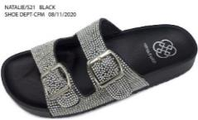

 |  |  | DF213701M090B | M090 | 24 | 192731134816

 |  |  | DF213701SC270B | SSC270 | 72 | 192731136582

 |  |  |  | TOTAL: | 108
NATALIE | MULTI/PINK | MEDIUM | DF213774SC270B | SSC270 | 12 | 192731136612 | Immediately
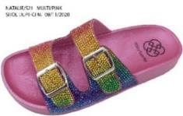 NO IMAGE YET

 |  |  |  | TOTAL: | 12
JOAN | WHITE | MEDIUM | DF215710M090B | M090 | 120 | 192731141180 | Immediately
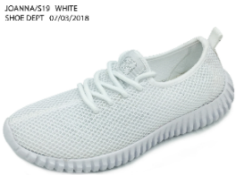

 |  |  |  | TOTAL: | 120
LANDON | ROSE GOLD | WIDE | DF216407W070P | W070 | 1 | 192731144594 | Immediately
 |  |  | DF216407W075P | W075 | 1 | 192731144600
 |  |  | DF216407W080P | W080 | 1 | 192731144617
 |  |  | DF216407W090P | W090 | 1 | 192731144631
 |  |  | DF216407W100P | W100 | 1 | 192731144655
 |  |  |  | TOTAL: | 5
HEARTH | GOLD | MEDIUM | DF217606M110P | M110 | 6 | 192731146093 | Immediately

 |  |  |  | TOTAL: | 6
JEMMA-G | BLUSH | MEDIUM | DF218003RSK02P | RSK02 | 36 | 192731148615 | Immediately

 |  |  |  | TOTAL: | 36
HYLDA | GOLD | MEDIUM | DF218806M085B | M085 | 60 | 192731149018 | Immediately
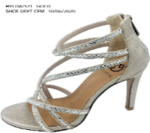

 |  |  |  | TOTAL: | 60
CONNOR | BLACK | MEDIUM | DF218901M050B | M050 | 12 | 192731149070 | Immediately
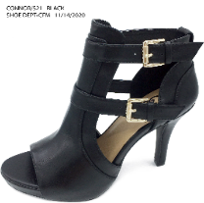

 |  |  |  | TOTAL: | 12
HAISLEY | BLACK | MEDIUM | DF223401M060B | M060 | 12 | 192731188451 | Immediately
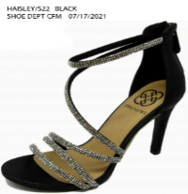

 |  |  |  | TOTAL: | 12
GEORGEO | WHITE | MEDIUM | DF223710M050B | M050 | 12 | 192731193974 | Immediately
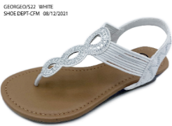

 |  |  |  | TOTAL: | 12
INES | MULTI | MEDIUM | DF224139M060B | M060 | 33 | 192731194902 | Immediately
 |  |  | DF224139M070B | M070 | 119 | 192731194926
 |  |  | DF224139M080B | M080 | 204 | 192731194940
 |  |  | DF224139M090B | M090 | 276 | 192731194964
 |  |  | DF224139M100B | M100 | 288 | 192731194988
 |  |  | DF224139M110B | M110 | 168 | 192731194995
 |  |  | DF224139M120B | M120 | 60 | 192731195008
 |  |  |  | TOTAL: | 1,148
JADIE | BLACK | MEDIUM | DF224501M070B | M070 | 12 | 192731197392 | Immediately
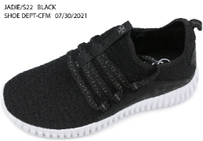

 |  |  |  | TOTAL: | 12
LENE | BLACK | MEDIUM | DF227701M055B | M055 | 12 | 192731212750 | Immediately
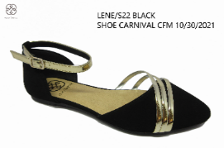

 |  |  |  | TOTAL: | 12
SPENCER | PEWTER | MEDIUM | DF229550M060B | M060 | 12 | 192731231614 | Immediately
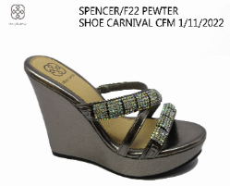

 |  |  |  | TOTAL: | 12
SONAL | SILVER | MEDIUM | DF229615M050B | M050 | 36 | 192731231720 | Immediately
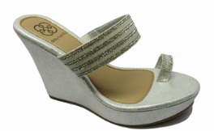 |  |  | DF229615M055B | M055 | 35 | 192731231737
 |  |  | DF229615M060B | M060 | 11 | 192731231744
 |  |  | DF229615M065B | M065 | 24 | 192731231751
 |  |  | DF229615M070B | M070 | 47 | 192731231768
 |  |  | DF229615M075B | M075 | 36 | 192731231775
 |  |  | DF229615M080B | M080 | 60 | 192731231782
 |  |  | DF229615M085B | M085 | 36 | 192731231799
 |  |  | DF229615M090B | M090 | 72 | 192731231805
 |  |  | DF229615M095B | M095 | 24 | 192731231812
 |  |  | DF229615M100B | M100 | 60 | 192731231829
 |  |  | DF229615M110B | M110 | 12 | 192731231836
 |  |  | DF229615M120B | M120 | 12 | 192731231843
 |  |  |  | TOTAL: | 465
RYATT | RED | MEDIUM | DF229720M060B | M060 | 48 | 192731233106 | Immediately
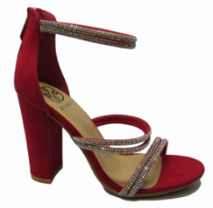

 |  |  | DF229720M065B | M065 | 36 | 192731233113

 |  |  | DF229720M090B | M090 | 84 | 192731233168

 |  |  |  | TOTAL: | 168
RUDY | BLACK | MEDIUM | DF229801SC109B | SSC109 | 12 | 192731235919 | Immediately
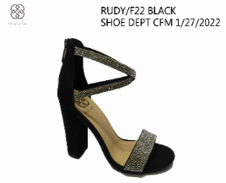

 |  |  |  | TOTAL: | 12
MONTE | WHITE | WIDE | DF233510W070P | W070 | 1 | 192731254859 | Immediately
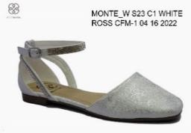 NO IMAGE YET |  |  | DF233510W075P | W075 | 1 | 192731254866
 |  |  | DF233510W080P | W080 | 1 | 192731254873
 |  |  | DF233510W090P | W090 | 1 | 192731254897
 |  |  | DF233510W100P | W100 | 1 | 192731254910

 |  |  |  | TOTAL: | 5
MARINA | BLUE | MEDIUM | DF233947RS01P | RS01 | 588 | 192731255719 | Immediately
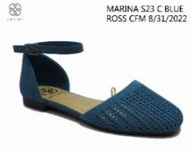 NO IMAGE YET

 |  |  |  | TOTAL: | 588
HEIRESS | BLACK | MEDIUM | DF234701M070B | M070 | 12 | 192731258093 | Immediately
NO IMAGE YET

 |  |  |  | TOTAL: | 12
LUX | WHITE | MEDIUM | DF270610SC14B | SC14 | 60 | 192731316106 | Immediately

 |  |  |  | TOTAL: | 60
PENELOPE | BLACK | MEDIUM | DF271401M080B | M080 | 12 | 192731310128 | Immediately
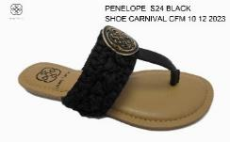 NO IMAGE YET

 |  |  |  | TOTAL: | 12
GALLANT | BLACK | MEDIUM | DF274001M055P | M055 | 718 | 192731326037 | Immediately
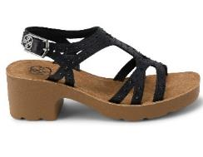
 |  |  | DF274001M095P | M095 | 432 | 192731326112

 |  |  | DF274001M110P | M110 | 432 | 192731326136

 |  |  | DF274001RS01P | RS01 | 5,268 | 192731326259

 |  |  |  | TOTAL: | 6,850
ELLIE | BLACK | MEDIUM | ELLIEM075B | M075 | 1 | 192731032747 | Immediately
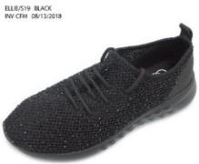 NO IMAGE YET

 |  |  | ELLIEM085B | M085 | 1 | 192731032761

 |  |  |  | TOTAL: | 2
WOMEN SHOE | TAUPE | MEDIUM | FARRAH1M095B | M095 | 24 | 849604047086 | Immediately
NO IMAGE YET

 |  |  | FARRAH1M110B | M110 | 36 | 849604047109

 |  |  | FARRAH1M120B | M120 | 12 | 849604047116

 |  |  |  | TOTAL: | 72
WOMEN SHOE | BLACK | MEDIUM | FARRAHM095B | M095 | 24 | 849604046959 | Immediately
NO IMAGE YET

 |  |  |  | TOTAL: | 24
ISABELLE | BLUE | MEDIUM | ISABELL2SC029B | SSC029 | 12 | 192731046096 | Immediately
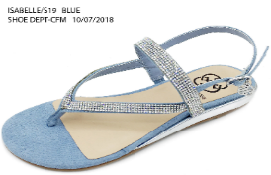

 |  |  |  | TOTAL: | 12
LAYLA-R | GOLD/YELLOW | MEDIUM | LAYLA-RM075P | M075 | 4 | 849604071579 | Immediately
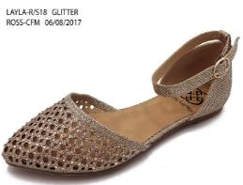

 |  |  |  | TOTAL: | 4
LAURA | BLUSH | MEDIUM | DF201403M095P | M095 | 6 | 192731076796 | Immediately
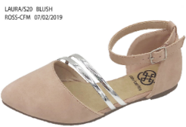

 |  |  |  | TOTAL: | 6
LIGHT | COGNAC | WIDE | DF201505W070P | W070 | 1 | 192731083947 | Immediately
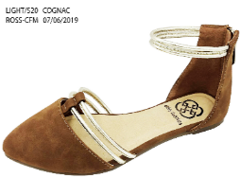 |  |  | DF201505W075P | W075 | 1 | 192731083954
 |  |  | DF201505W080P | W080 | 1 | 192731083961
 |  |  | DF201505W090P | W090 | 1 | 192731083985
 |  |  | DF201505W100P | W100 | 1 | 192731084005
 |  |  |  | TOTAL: | 5
HARPER | ROSE GOLD | MEDIUM | DF202107M095B | M095 | 11 | 192731074891 | Immediately

 |  |  |  | TOTAL: | 11
HALO | BLACK | MEDIUM | DF202301M075B | M075 | 12 | 192731075782 | Immediately

 |  |  |  | TOTAL: | 12
CANAL | WHITE | MEDIUM | DF202510M090B | M090 | 1 | 192731076208 | Immediately

 |  |  |  | TOTAL: | 1
SAM | BLACK | MEDIUM | DF203101M080B | M080 | 12 | 192731081783 | Immediately
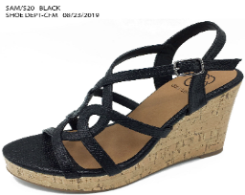

 |  |  |  | TOTAL: | 12
JUDIE | BLACK | MEDIUM | DF204101M090B | M090 | 12 | 192731086153 | Immediately
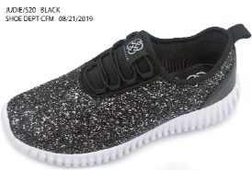

 |  |  |  | TOTAL: | 12
JUDIE | ROSE GOLD | MEDIUM | DF204107M070B | M070 | 12 | 192731086245 | Immediately
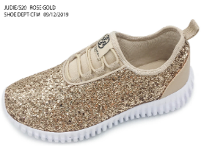

 |  |  | DF204107M110B | M110 | 12 | 192731086313

 |  |  |  | TOTAL: | 24
BELLE | ROSE GOLD | MEDIUM | DF204407M120B | M120 | 12 | 192731088645 | Immediately
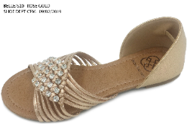

 |  |  |  | TOTAL: | 12
LILLIAN | BLACK | MEDIUM | DF206301M055P | M055 | 6 | 192731145164 | Immediately
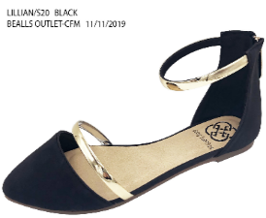

 |  |  |  | TOTAL: | 6
IZZY | BLACK | MEDIUM | DF212901M060B | M060 | 24 | 192731132799 | Immediately
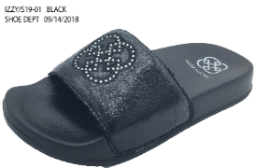

 |  |  |  | TOTAL: | 24
OPHELIA | BLACK | MEDIUM | DF213201M090B | M090 | 12 | 192731133505 | Immediately
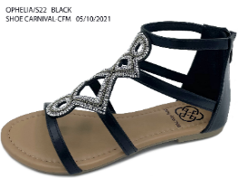

 |  |  |  | TOTAL: | 12
OPHELIA | COGNAC | MEDIUM | DF213205M070B | M070 | 12 | 192731133703 | Immediately
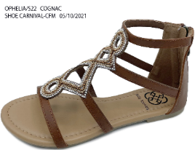

 |  |  |  | TOTAL: | 12
ROWLEY | ROWLEY | MEDIUM | DF287301M090B | M090 | 12 | 192731401987 | Immediately
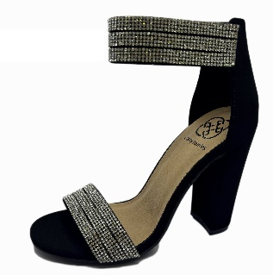 NO IMAGE YET

 |  |  |  | TOTAL: | 12
 |  |  |  | GRAND TOTAL: | 10,014

